Sales
2022-10-01 | 10/1/2022 | 10/2/2022 | 10/3/2022 | 10/4/2022 | 10/5/2022 | 10/6/2022 | 10/7/2022 | 10/8/2022 | 10/9/2022 | 10/10/2022 | 10/11/2022 | 10/12/2022 | 10/13/2022 | 10/14/2022 | 10/15/2022 | 10/16/2022 | 10/17/2022 | 10/18/2022 | 10/19/2022 | 10/20/2022 | 10/21/2022 | 10/22/2022 | 10/23/2022 | 10/24/2022 | 10/25/2022 | 10/26/2022 | 10/27/2022 | 10/28/2022 | 10/29/2022 | 10/30/2022 | 10/31/2022
 | SAT | SUN | MON | TUE | WED | THU | FRI | SAT | SUN | MON | TUE | WED | THU | FRI | SAT | SUN | MON | TUE | WED | THU | FRI | SAT | SUN | MON | TUE | WED | THU | FRI | SAT | SUN | MON
Weekend Work | Peter | Peter |  |  |  |  |  | Peter | Peter |  |  |  |  |  | Peter | Peter |  |  |  |  |  | Beno | Beno |  |  |  |  |  | Beno | Beno | Beno
Notes | People buying addons from thankyou page |  |  |  |  |  |  |  |  |  |  | Add-on only shipping applied |  | Unkonwn surge in traffic from Europe |  |  |  |  |  |  |  |  |  |  |  | Ping Mailing | PayPal izklopljen
 |  |  |  |  |  |  |  |  |  |  |  |  |  | Viral Organic TikTok Video

Shopify | $14,174.16 | $11,391.85 | $16,026.40 | $21,044.32 | $27,014.15 | $24,725.09 | $26,845.98 | $34,348.03 | $27,924.84 | $22,825.11 | $25,313.80 | $22,494.99 | $38,677.94 | $37,682.61 | $35,168.88 | $50,309.57 | $37,743.12 | $59,957.45 | $54,989.03 | $74,158.77 | $107,353.95 | $105,616.83 | $128,552.05 | $135,540.17 | $122,058.98 | $119,363.89 | $135,677.85 | $128,381.05 | $131,850.29 | $170,786.65 | $120,444.05
Total Revenue | $14,174.16 | $11,391.85 | $16,026.40 | $21,044.32 | $27,014.15 | $24,725.09 | $26,845.98 | $34,348.03 | $27,924.84 | $22,825.11 | $25,313.80 | $22,494.99 | $38,677.94 | $37,682.61 | $35,168.88 | $50,309.57 | $37,743.12 | $59,957.45 | $54,989.03 | $74,158.77 | $107,353.95 | $105,616.83 | $128,552.05 | $135,540.17 | $122,058.98 | $119,363.89 | $135,677.85 | $128,381.05 | $131,850.29 | $170,786.65 | $120,444.05
Orders | 62 | 41 | 56 | 97 | 158 | 109 | 87 | 109 | 86 | 77 | 104 | 76 | 206 | 139 | 120 | 162 | 144 | 203 | 191 | 296 | 375 | 362 | 426 | 467 | 405 | 435 | 464 | 432 | 446 | 564 | 402

FB - US & CA | $4,470.13 | $4,894.02 | $4,881.16 | $5,984.54 | $8,045.97 | $8,407.34 | $9,382.20 | $10,761.91 | $10,993.09 | $10,042.69 | $9,131.77 | $9,060.50 | $8,917.61 | $11,382.05 | $12,600.78 | $13,327.26 | $15,328.72 | $15,978.44 | $18,578.64 | $23,082.09 | $28,375.36 | $32,757.71 | $45,884.34 | $49,208.93 | $48,186.19 | $42,174.24 | $39,945.31 | $40,093.80 | $35,346.84 | $49,105.49 | $34,838.83
Google - WW | $174.79 | $172.00 | $173.00 | $232.00 | $316.00 | $278.00 | $304.96 | $425.79 | $404.00 | $415.00 | $349.00 | $441.00 | $444.00 | $480.53 | $567.47 | $458.00 | $547.00 | $617.00 | $561.00 | $637.00 | $644.38 | $1,186.83 | $2,310.00 | $2,110.00 | $2,180.00 | $1,830.00 | $1,660.00 | $1,970.03 | $2,825.53 | $2,880.00 | $2,279.68
Bing - WW | $6.76 | $7.54 | $8.02 | $9.93 | $15.84 | $13.99 | $19.78 | $5.42 | $11.53 | $11.71 | $12.16 | $15.83 | $20.14 | $32.66 | $31.17 | $18.71 | $33.59 | $43.21 | $28.90 | $40.28 | $51.15 | $47.62 | $57.46 | $70.09 | $78.98 | $60.98 | $78.12 | $70.23 | $50.34 | $76.70 | $76.14
TikTok - US & CA | $0.00 | $0.00 | $0.00 | $0.00 | $0.00 | $0.00 | $0.00 | $0.00 | $0.00 | $0.00 | $0.00 | $0.00 | $0.00 | $0.00 | $0.00 | $0.00 | $0.00 | $0.00 | $16.76 | $821.94 | $3,252.36 | $3,520.19 | $2,692.75 | $4,291.36 | $4,672.09 | $3,959.23 | $4,518.02 | $5,284.78 | $5,611.69 | $7,856.33 | $11,407.79
MNTN TV |  |  |  | $78.83 | $93.99 | $94.90 | $92.84 | $92.38 | $81.49 | $83.81 | $83.11 | $81.10 | $87.12 | $85.62 | $96.06 | $91.81 | $92.39 | $84.11 | $79.19 | $67.94 | $93.01 | $71.22 | $79.00 | $86.67 | $67.69 | $95.83 | $94.00 | $95.21 | $70.71 | $92.00 | $45.24
Affiliate Fees - US
Total Spend | $4,651.68 | $5,073.56 | $5,062.18 | $6,305.30 | $8,471.80 | $8,794.23 | $9,799.78 | $11,285.50 | $11,490.11 | $10,553.21 | $9,576.04 | $9,598.43 | $9,468.87 | $11,980.86 | $13,295.48 | $13,895.78 | $16,001.70 | $16,722.76 | $19,264.49 | $24,649.25 | $32,416.26 | $37,583.57 | $51,023.55 | $55,767.05 | $55,184.95 | $48,120.28 | $46,295.45 | $47,514.05 | $43,905.11 | $60,010.52 | $48,647.68

ROAS | 3.05 | 2.25 | 3.17 | 3.34 | 3.19 | 2.81 | 2.74 | 3.04 | 2.43 | 2.16 | 2.64 | 2.34 | 4.08 | 3.15 | 2.65 | 3.62 | 2.36 | 3.59 | 2.85 | 3.01 | 3.31 | 2.81 | 2.52 | 2.43 | 2.21 | 2.48 | 2.93 | 2.70 | 3.00 | 2.85 | 2.48
CAC | $75.03 | $123.75 | $90.40 | $65.00 | $53.62 | $80.68 | $112.64 | $103.54 | $133.61 | $137.05 | $92.08 | $126.30 | $45.97 | $86.19 | $110.80 | $85.78 | $111.12 | $82.38 | $100.86 | $83.27 | $86.44 | $103.82 | $119.77 | $119.42 | $136.26 | $110.62 | $99.77 | $109.99 | $98.44 | $106.40 | $121.01
CR | 1.80% | 1.22% | 1.65% | 2.08% | 1.91% | 1.56% | 1.42% | 1.46% | 1.17% | 1.15% | 1.31% | 1.03% | 1.68% | 0.57% | 0.62% | 1.33% | 0.93% | 0.93% | 1.11% | 1.40% | 1.60% | 1.26% | 1.00% | 1.14% | 1.12% | 1.21% | 1.41% | 1.37% | 1.36% | 1.20% | 1.00%
AOV | $228.62 | $277.85 | $286.19 | $216.95 | $170.98 | $226.84 | $308.57 | $315.12 | $324.71 | $296.43 | $243.40 | $295.99 | $187.76 | $271.10 | $293.07 | $310.55 | $262.11 | $295.36 | $287.90 | $250.54 | $286.28 | $291.76 | $301.77 | $290.24 | $301.38 | $274.40 | $292.41 | $297.18 | $295.63 | $302.81 | $299.61

Post-purchase Survey
Facebook / Instagram | 86.36% | 80.00% | 90.00% | 84.21% | 58.62% | 82.35% | 86.36% | 81.25% | 80.77% | 78.26% | 70.37% | 92.59% | 72.09% | 59.09% | 53.66% | 75.44% | 80.95% | 48.68% | 70.91% | 67.47% | 71.77% | 72.13% | 68.52% | 69.80% | 74.07% | 62.91% | 72.00% | 60.51% | 53.69% | 67.45% | 56.34%
Friends / Family | 9.09% | 6.67% | 5.00% | 10.53% | 10.34% | 11.76% | 4.55% | 9.38% | 15.38% | 13.04% | 7.41% | 3.70% | 18.60% | 9.09% | 12.20% | 7.02% | 14.29% | 15.79% | 12.73% | 8.43% | 13.71% | 13.93% | 12.68% | 7.38% | 8.15% | 12.58% | 13.33% | 16.56% | 17.45% | 9.43% | 9.86%
Google, Yahoo, Bing | 0.00% | 6.67% | 0.00% | 5.26% | 6.90% | 5.88% | 0.00% | 0.00% | 0.00% | 0.00% | 11.11% | 3.70% | 4.65% | 4.55% | 0.00% | 5.26% | 0.00% | 6.58% | 0.00% | 2.41% | 0.81% | 0.82% | 1.99% | 2.01% | 2.22% | 1.99% | 1.33% | 1.91% | 2.01% | 2.36% | 2.82%
Pinterest | 0.00% | 0.00% | 0.00% | 0.00% | 3.45% | 0.00% | 4.55% | 3.13% | 0.00% | 0.00% | 3.70% | 0.00% | 0.00% | 0.00% | 0.00% | 1.75% | 0.00% | 1.32% | 0.00% | 0.00% | 0.81% | 0.00% | 0.43% | 1.34% | 0.00% | 0.66% | 0.67% | 0.00% | 0.00% | 0.00% | 0.00%
TikTok | 0.00% | 0.00% | 0.00% | 0.00% | 0.00% | 0.00% | 0.00% | 0.00% | 0.00% | 0.00% | 3.70% | 0.00% | 2.33% | 27.27% | 31.71% | 5.26% | 4.76% | 25.00% | 14.55% | 16.87% | 11.29% | 9.84% | 13.96% | 17.45% | 14.07% | 20.53% | 11.33% | 19.11% | 26.17% | 20.28% | 30.99%
TV / Radio | 4.55% | 0.00% | 0.00% | 0.00% | 3.45% | 0.00% | 0.00% | 3.13% | 0.00% | 0.00% | 0.00% | 0.00% | 0.00% | 0.00% | 0.00% | 1.75% | 0.00% | 0.00% | 0.00% | 1.20% | 1.61% | 0.82% | 0.71% | 0.67% | 0.00% | 0.66% | 0.67% | 0.64% | 0.00% | 0.00% | 0.00%
Blog / Article | 0.00% | 6.67% | 5.00% | 0.00% | 17.24% | 0.00% | 4.55% | 3.13% | 3.85% | 8.70% | 3.70% | 0.00% | 2.33% | 0.00% | 2.44% | 3.51% | 0.00% | 2.63% | 1.82% | 3.61% | 0.00% | 2.46% | 1.71% | 1.34% | 1.48% | 0.66% | 0.67% | 1.27% | 0.67% | 0.47% | 0.00%

 | 2022-10-01 | Goal | % of Goal
Revenue | $2,068,441.85 | $775,000 | 266.90%
Spend | $752,409.49 | $300,000 | 250.80%
ROAS | 2.75 | 2.58 | 106.55%
CAC | $103.06
CR | 1.29% | 1.00% | 129.03%
AOV | $283.31 | $310.00 | 91.39%
Orders | 7301
Units Sold | 6,929 | 2500 | 277.16%
CAC per Unit | $108.59 | $120.00 | 90.49%
Units Left | 22,376
Units Sold | 77,624
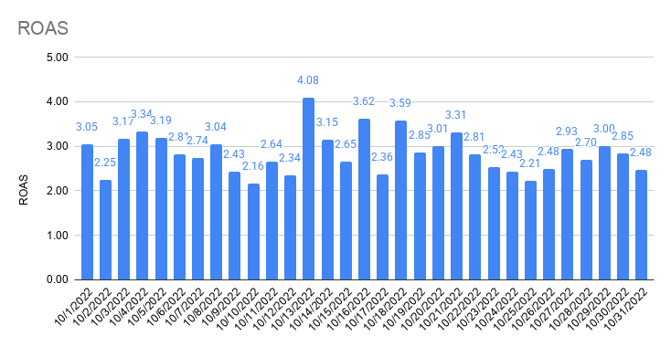
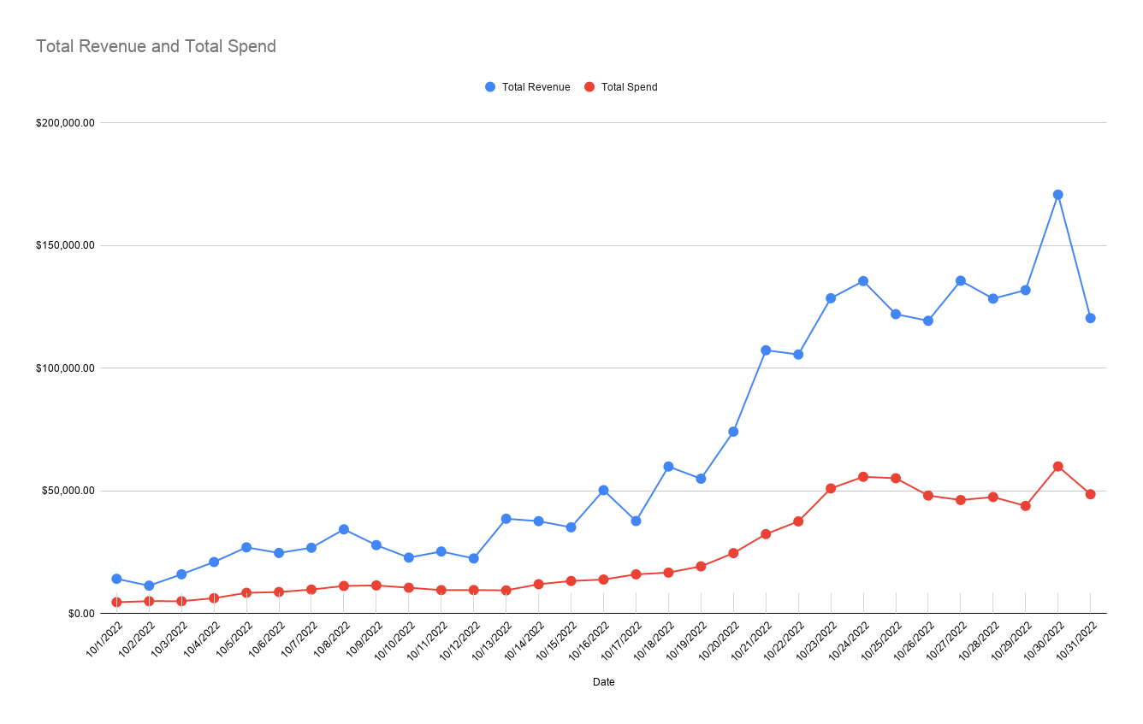

Total Revenue and Total Spend

Attribution
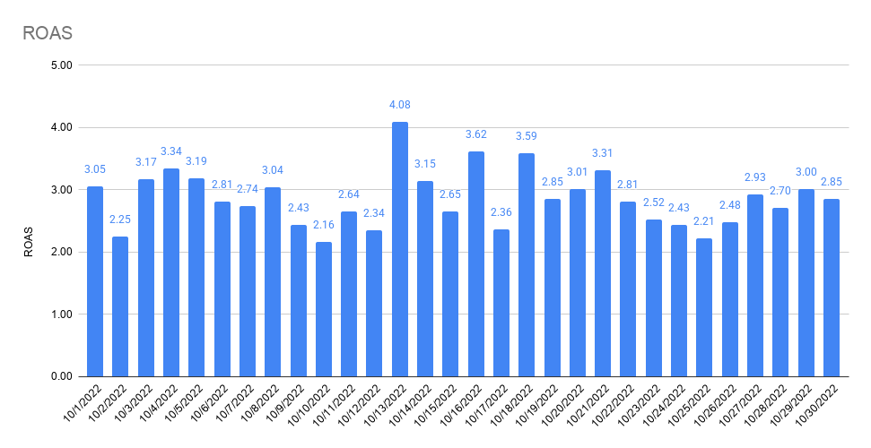
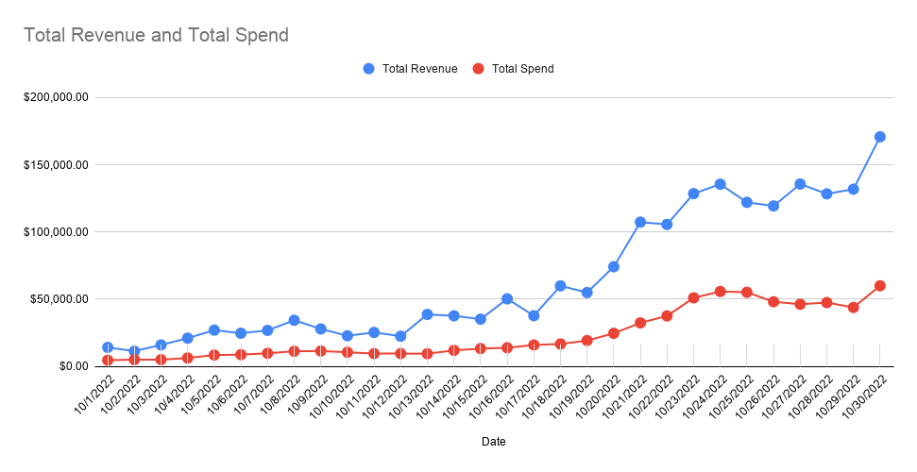
 | 10/1/2022 | 10/2/2022 | 10/3/2022 | 10/4/2022 | 10/5/2022 | 10/6/2022 | 10/7/2022 | 10/8/2022 | 10/9/2022 | 10/10/2022 | 10/11/2022 | 10/12/2022 | 10/13/2022 | 10/14/2022 | 10/15/2022 | 10/16/2022 | 10/17/2022 | 10/18/2022 | 10/19/2022 | 10/20/2022 | 10/21/2022 | 10/22/2022 | 10/23/2022 | 10/24/2022 | 10/25/2022 | 10/26/2022 | 10/27/2022 | 10/28/2022 | 10/29/2022 | 10/30/2022 | 10/31/2022
 | SAT | SUN | MON | TUE | WED | THU | FRI | SAT | SUN | MON | TUE | WED | THU | FRI | SAT | SUN | MON | TUE | WED | THU | FRI | SAT | SUN | MON | TUE | WED | THU | FRI | SAT | SUN | MON
FB Orders | 31 | 24 | 35 | 38 | 56 | 56 | 57 | 65 | 67 | 58 | 64 | 47 | 68 | 75 | 76 | 101 | 65 | 93 | 128 | 154 | 234 | 239 | 297 | 324 | 272 | 245 | 283 | 265 | 271 | 337
All Orders | 62 | 41 | 56 | 97 | 158 | 109 | 87 | 109 | 86 | 77 | 104 | 76 | 206 | 139 | 120 | 162 | 144 | 203 | 191 | 296 | 375 | 362 | 426 | 467 | 405 | 435 | 464 | 432 | 446 | 564 | 402
% Attributed to FB (Ads Manager) | 50% | 59% | 63% | 39% | 35% | 51% | 66% | 60% | 78% | 75% | 62% | 62% | 33% | 54% | 63% | 62% | 45% | 46% | 67% | 52% | 79% | 66% | #REF! | 69% | 67% | 56% | 61% | 61% | 61% | 60% | 0%

Attribution

Notes

FB Orders (Shopify) | 13 | 6 | 11 | 17 | 15 | 15 | 22 | 26 | 25 | 20 | 23 | 19 | 12 | 1 | 1 | 0 | 8 | 33 | 35 | 66 | 63 | 77 | 100 | 114 | 100 | 79 | 107 | 99 | 98 | 160

FB Offline Conversions (Shopify) | 0 | 0 | 0 | 0 | 0 | 0 | 0 | 0 | 0 | 0 | 0 | 0 | 0 | 0 | 0 | 0 | 0 | 0 | 0 | 0 | 0 | 0 | 0 | 0 | 0 | 0 | 0 | 0 | 0 | 0 | 0
% difference | 0.00% | 0.00% | 0.00% | 0.00% | 0.00% | 0.00% | 0.00% | 0.00% | 0.00% | 0.00% | 0.00% | 0.00% | 0.00% | 0.00% | 0.00% | #DIV/0! | 0.00% | 0.00% | 0.00% | 0.00% | 0.00% | 0.00% | #REF! | 0.00% | 0.00% | 0.00% | 0.00% | 0.00% | 0.00% | 0.00% | #DIV/0!

GA (UTM: fb-paid) Orders (Shopify) | 19 | 14 | 22 | 35 | 28 | 30 | 32 | 53 | 47 | 35 | 40 | 27 | 31 | 37 | 26 | 52 | 37 | 54 | 87 | 101 | 124 | 139 | 176 | 185 | 146 | 127 | 152 | 142 | 139 | 216
% difference | 146.15% | 233.33% | 200.00% | 205.88% | 186.67% | 200.00% | 145.45% | 203.85% | 188.00% | 175.00% | 173.91% | 142.11% | 258.33% | 3700.00% | 2600.00% | #DIV/0! | 462.50% | 163.64% | 248.57% | 153.03% | 176.00% | 180.52% | #REF! | 162.28% | 146.00% | 160.76% | 142.06% | 143.43% | 141.84% | 135.00% | #DIV/0!

Social Orders (Shopify) | 22 | 13 | 20 | 34 | 35 | 33 | 39 | 47 | 50 | 33 | 48 | 35 | 31 | 20 | 24 | 36 | 37 | 66 | 86 | 120 | 144 | 158 | 209 | 237 | 191 | 164 | 210 | 179 | 195 | 266
% difference | 169.23% | 216.67% | 181.82% | 200.00% | 233.33% | 220.00% | 177.27% | 180.77% | 200.00% | 165.00% | 208.70% | 184.21% | 258.33% | 2000.00% | 2400.00% | #DIV/0! | 462.50% | 200.00% | 245.71% | 181.82% | 0.00% | 205.19% | #REF! | 207.89% | 191.00% | 207.59% | 196.26% | 180.81% | 198.98% | 166.25% | #DIV/0!

Shopify (All) | 62 | 41 | 56 | 97 | 158 | 109 | 87 | 109 | 86 | 77 | 104 | 76 | 206 | 139 | 120 | 162 | 144 | 203 | 191 | 296 | 375 | 362 | 426 | 467 | 405 | 435 | 464 | 432 | 446 | 564 | 402

GA (Shopify) | 59 | 40 | 52 | 93 | 149 | 102 | 83 | 105 | 84 | 77 | 99 | 73 | 193 | 132 | 116 | 152 | 135 | 190 | 183 | 279 | 355 | 342 | 401 | 441 | 382 | 408 | 432 | 415 | 423 | 528
% difference | 95.16% | 97.56% | 92.86% | 95.88% | 94.30% | 93.58% | 95.40% | 96.33% | 97.67% | 100.00% | 95.19% | 96.05% | 93.69% | 94.96% | 96.67% | 93.83% | 93.75% | 93.60% | 95.81% | 94.26% | 94.67% | 94.48% | #REF! | 94.43% | 94.32% | 93.79% | 93.10% | 96.06% | 94.84% | 93.62% | 0.00%

PP Survey (All) Order Views | 59 | 42 | 56 | 104 | 164 | 111 | 85 | 107 | 84 | 80 | 112 | 76 | 207 | 144 | 121 | 158 | 155 | 202 | 190 | 298 | 371 | 355 | 422 | 459 | 410 | 431 | 458 | 427 | 443 | 560
% difference | 95.16% | 102.44% | 100.00% | 107.22% | 103.80% | 101.83% | 97.70% | 98.17% | 97.67% | 103.90% | 107.69% | 100.00% | 100.49% | 103.60% | 100.83% | 97.53% | 107.64% | 99.51% | 99.48% | 100.68% | 106.93% | 98.07% | #REF! | 98.29% | 101.23% | 99.08% | 98.71% | 98.84% | 99.33% | 99.29% | 0.00%

Facebook Attribution
Conversion value by channel | 7,810.93 | 6,275.66 | 9,144.75 | 11,043.11 | 13,057.69 | 14,290.98 | 16,736.54 | 19,519.69 | 20,115.36 | 15,252.56 | 16,955.53 | 13,756.93 | 16,015.78 | 19,282.91 | 20,840.82 | 28,912.16 | 17,018.37 | 26,461.05 | 33,452.68 | 42,031.57 | 61,621.70 | 65,511.86 | 84,372.36 | 87,331.37 | 74,929.29 | 63,324.89 | 75,916.33 | 71,913.81 | 70,175.77 | 93,792.70
FB CV | $9,017.41 | $7,245.00 | $10,557.25 | $12,748.83 | $15,074.58 | $16,498.36 | $19,321.67 | $22,534.70 | $23,222.38 | $17,608.47 | $19,574.48 | $15,881.83 | $18,489.58 | $22,261.35 | $24,059.89 | $33,377.93 | $19,647.03 | $30,548.22 | $38,619.78 | $48,523.77 | $71,139.79 | $75,630.82 | $97,404.51 | $100,820.57 | $86,502.87 | $73,106.05 | $87,642.37 | $83,021.62 | $81,015.12 | $108,279.92 | $0.00
GA UTM CV | $5,776.82 | $4,171.73 | $6,605.53 | $11,898.37 | $8,874.53 | $8,963.52 | $10,903.56 | $17,593.05 | $15,701.64 | $11,049.42 | $12,561.15 | $8,592.43 | $11,814.66 | $11,147.29 | $6,712.52 | $16,178.52 | $11,357.28 | $17,101.09 | $25,748.01 | $31,771.82 | $38,849.64 | $43,412.28 | $55,396.16 | $55,596.16 | $45,001.41 | $38,947.35 | $48,892.68 | $45,071.65 | $43,376.26 | $67,450.07
TW CV | $6,688.26 | $5,969.84 | $8,819.24 | $12,467.16 | $10,760.98 | $12,258.00 | $15,012.25 | $19,098.11 | $16,980.80 | $12,840.54 | $14,498.82 | $11,322.87 | $12,311.94 | $17,022.57 | $13,857.80 | $21,829.63 | $16,117.34 | $20,756.50 | $29,181.66 | $36,400.82 | $46,480.86 | $55,303.43 | $69,075.97 | $71,050.77 | $57,694.41 | $50,652.84 | $59,844.00 | $54,347.33 | $55,670.10 | $79,477.92
Overall CV | $14,174.16 | $11,391.85 | $16,026.40 | $21,044.32 | $27,014.15 | $24,725.09 | $26,845.98 | $34,348.03 | $27,924.84 | $22,825.11 | $25,313.80 | $22,494.99 | $38,677.94 | $37,682.61 | $35,168.88 | $50,309.57 | $37,743.12 | $59,957.45 | $54,989.03 | $74,158.77 | $107,353.95 | $105,616.83 | $128,552.05 | $135,540.17 | $122,058.98 | $119,363.89 | $135,677.85 | $128,381.05 | $131,850.29 | $170,786.65 | $120,444.05

Orders by channel
FB OR | 31 | 24 | 35 | 38 | 56 | 56 | 57 | 65 | 67 | 58 | 64 | 47 | 68 | 75 | 76 | 101 | 65 | 93 | 128 | 154 | 297 | 239 | #REF! | 324 | 272 | 245 | 283 | 265 | 271 | 337
GA UTM OR | 19 | 14 | 22 | 35 | 28 | 30 | 32 | 53 | 47 | 35 | 40 | 27 | 31 | 37 | 26 | 52 | 37 | 54 | 87 | 101 | 176 | 139 | #REF! | 185 | 146 | 127 | 152 | 142 | 139 | 216
TW OR | 22 | 20 | 29 | 37 | 34 | 40 | 46 | 58 | 51 | 41 | 47 | 36 | 41 | 55 | 48 | 71 | 52 | 65 | 97 | 116 | 149 | 177 | 219 | 236 | 190 | 167 | 190 | 174 | 180 | 256 | 132
Overall OR | 62 | 41 | 56 | 97 | 158 | 109 | 87 | 109 | 86 | 77 | 104 | 76 | 206 | 139 | 120 | 162 | 144 | 203 | 191 | 296 | 375 | 362 | 426 | 467 | 405 | 435 | 464 | 432 | 446 | 564 | 402

Attribution % by channel (CV) | 10/1/2022 | 10/2/2022 | 10/3/2022 | 10/4/2022 | 10/5/2022 | 10/6/2022 | 10/7/2022 | 10/8/2022 | 10/9/2022 | 10/10/2022 | 10/11/2022 | 10/12/2022 | 10/13/2022 | 10/14/2022 | 10/15/2022 | 10/16/2022 | 10/17/2022 | 10/18/2022 | 10/19/2022 | 10/20/2022 | 10/21/2022 | 10/22/2022 | 10/23/2022 | 10/24/2022 | 10/25/2022 | 10/26/2022 | 10/27/2022 | 10/28/2022 | 10/29/2022 | 10/30/2022 | 10/31/2022
Difference FB / Overall | 63.62% | 63.60% | 65.87% | 60.58% | 55.80% | 66.73% | 71.97% | 65.61% | 83.16% | 77.15% | 77.33% | 70.60% | 47.80% | 59.08% | 68.41% | 66.35% | 52.05% | 50.95% | 70.23% | 65.43% | 66.27% | 71.61% | 75.77% | 74.38% | 70.87% | 61.25% | 64.60% | 64.67% | 61.44% | 63.40% | 0.00%
Difference GA UTM / Overall | 40.76% | 36.62% | 41.22% | 56.54% | 32.85% | 36.25% | 40.62% | 51.22% | 56.23% | 48.41% | 49.62% | 38.20% | 30.55% | 29.58% | 19.09% | 32.16% | 30.09% | 28.52% | 46.82% | 42.84% | 36.19% | 41.10% | 43.09% | 41.02% | 36.87% | 32.63% | 36.04% | 35.11% | 32.90% | 39.49% | 0.00%
Difference TW / Overall | 47.19% | 52.40% | 55.03% | 59.24% | 39.83% | 49.58% | 55.92% | 55.60% | 60.81% | 56.26% | 57.28% | 50.34% | 31.83% | 45.17% | 39.40% | 43.39% | 42.70% | 34.62% | 53.07% | 49.08% | 43.30% | 52.36% | 53.73% | 52.42% | 47.27% | 42.44% | 44.11% | 42.33% | 42.22% | 46.54% | 0.00%

Attribution % by channel (OR) | 10/1/2022 | 10/2/2022 | 10/3/2022 | 10/4/2022 | 10/5/2022 | 10/6/2022 | 10/7/2022 | 10/8/2022 | 10/9/2022 | 10/10/2022 | 10/11/2022 | 10/12/2022 | 10/13/2022 | 10/14/2022 | 10/15/2022 | 10/16/2022 | 10/17/2022 | 10/18/2022 | 10/19/2022 | 10/20/2022 | 10/21/2022 | 10/22/2022 | 10/23/2022 | 10/24/2022 | 10/25/2022 | 10/26/2022 | 10/27/2022 | 10/28/2022 | 10/29/2022 | 10/30/2022 | 10/31/2022
Difference FB / Overall | 50.00% | 58.54% | 62.50% | 39.18% | 35.44% | 51.38% | 65.52% | 59.63% | 77.91% | 75.32% | 61.54% | 61.84% | 33.01% | 53.96% | 63.33% | 62.35% | 45.14% | 45.81% | 67.02% | 52.03% | 79.20% | 66.02% | #REF! | 69.38% | 67.16% | 56.32% | 60.99% | 61.34% | 60.76% | 59.75% | 0.00%
Difference GA UTM / Overall | 30.65% | 34.15% | 39.29% | 36.08% | 17.72% | 27.52% | 36.78% | 48.62% | 54.65% | 45.45% | 38.46% | 35.53% | 15.05% | 26.62% | 21.67% | 32.10% | 25.69% | 26.60% | 45.55% | 34.12% | 46.93% | 38.40% | #REF! | 39.61% | 36.05% | 29.20% | 32.76% | 32.87% | 31.17% | 38.30% | 0.00%
Difference TW / Overall | 35.48% | 48.78% | 51.79% | 38.14% | 21.52% | 36.70% | 52.87% | 53.21% | 59.30% | 53.25% | 45.19% | 47.37% | 19.90% | 39.57% | 40.00% | 43.83% | 36.11% | 32.02% | 50.79% | 39.19% | 39.73% | 48.90% | 51.41% | 50.54% | 46.91% | 38.39% | 40.95% | 40.28% | 40.36% | 45.39% | 32.84%

ROAS by channel | 10/1/2022 | 10/2/2022 | 10/3/2022 | 10/4/2022 | 10/5/2022 | 10/6/2022 | 10/7/2022 | 10/8/2022 | 10/9/2022 | 10/10/2022 | 10/11/2022 | 10/12/2022 | 10/13/2022 | 10/14/2022 | 10/15/2022 | 10/16/2022 | 10/17/2022 | 10/18/2022 | 10/19/2022 | 10/20/2022 | 10/21/2022 | 10/22/2022 | 10/23/2022 | 10/24/2022 | 10/25/2022 | 10/26/2022 | 10/27/2022 | 10/28/2022 | 10/29/2022 | 10/30/2022 | 10/31/2022
FB ROAS | 2.02 | 1.48 | 2.16 | 2.13 | 1.87 | 1.96 | 2.06 | 2.09 | 2.11 | 1.75 | 2.14 | 1.75 | 2.07 | 1.96 | 1.91 | 2.50 | 1.28 | 1.91 | 2.08 | 2.10 | 2.51 | 2.31 | 2.12 | 2.05 | 1.80 | 1.73 | 2.19 | 2.07 | 2.29 | 2.21 | 0.00
GA UTM ROAS | 1.29 | 0.85 | 1.35 | 1.99 | 1.10 | 1.07 | 1.16 | 1.63 | 1.43 | 1.10 | 1.38 | 0.95 | 1.32 | 0.98 | 0.53 | 1.21 | 0.74 | 1.07 | 1.39 | 1.38 | 1.37 | 1.33 | 1.21 | 1.13 | 0.93 | 0.92 | 1.22 | 1.12 | 1.23 | 1.37 | 0.00
TW ROAS | 1.50 | 1.22 | 1.81 | 2.08 | 1.34 | 1.46 | 1.60 | 1.77 | 1.54 | 1.28 | 1.59 | 1.25 | 1.38 | 1.50 | 1.10 | 1.64 | 1.05 | 1.30 | 1.57 | 1.58 | 1.64 | 1.69 | 1.51 | 1.44 | 1.20 | 1.20 | 1.50 | 1.36 | 1.57 | 1.62 | 0.00
Overall ROAS | 3.05 | 2.25 | 3.17 | 3.34 | 3.19 | 2.81 | 2.74 | 3.04 | 2.43 | 2.16 | 2.64 | 2.34 | 4.08 | 3.15 | 2.65 | 3.62 | 2.36 | 3.59 | 2.85 | 3.01 | 3.31 | 2.81 | 2.52 | 2.43 | 2.21 | 2.48 | 2.93 | 2.70 | 3.00 | 2.85 | 2.48

CAC by channel | 10/1/2022 | 10/2/2022 | 10/3/2022 | 10/4/2022 | 10/5/2022 | 10/6/2022 | 10/7/2022 | 10/8/2022 | 10/9/2022 | 10/10/2022 | 10/11/2022 | 10/12/2022 | 10/13/2022 | 10/14/2022 | 10/15/2022 | 10/16/2022 | 10/17/2022 | 10/18/2022 | 10/19/2022 | 10/20/2022 | 10/21/2022 | 10/22/2022 | 10/23/2022 | 10/24/2022 | 10/25/2022 | 10/26/2022 | 10/27/2022 | 10/28/2022 | 10/29/2022 | 10/30/2022 | 10/31/2022
FB CAC | $144.20 | $203.92 | $139.46 | $157.49 | $143.68 | $150.13 | $164.60 | $165.57 | $164.08 | $173.15 | $142.68 | $192.78 | $131.14 | $151.76 | $165.80 | $131.95 | $235.83 | $171.81 | $145.15 | $149.88 | $95.54 | $137.06 | #REF! | $151.88 | $177.16 | $172.14 | $141.15 | $151.30 | $130.43 | $145.71 | #DIV/0!
GA UTM CAC | $235.27 | $349.57 | $221.87 | $170.99 | $287.36 | $280.24 | $293.19 | $203.05 | $233.90 | $286.93 | $228.29 | $335.57 | $287.66 | $307.62 | $484.65 | $256.29 | $414.29 | $295.90 | $213.55 | $228.54 | $161.22 | $235.67 | #REF! | $265.99 | $330.04 | $332.08 | $262.80 | $282.35 | $254.29 | $227.34 | #DIV/0!
TW CAC | $203.19 | $244.70 | $168.32 | $161.74 | $236.65 | $210.18 | $203.96 | $185.55 | $215.55 | $244.94 | $194.29 | $251.68 | $217.50 | $206.95 | $262.52 | $187.71 | $294.78 | $245.82 | $191.53 | $198.98 | $190.44 | $185.07 | $209.52 | $208.51 | $253.61 | $252.54 | $210.24 | $230.42 | $196.37 | $191.82 | $263.93
Overall CAC | $75.03 | $123.75 | $90.40 | $65.00 | $53.62 | $80.68 | $112.64 | $103.54 | $133.61 | $137.05 | $92.08 | $126.30 | $45.97 | $86.19 | $110.80 | $85.78 | $111.12 | $82.38 | $100.86 | $83.27 | $86.44 | $103.82 | $119.77 | $119.42 | $136.26 | $110.62 | $99.77 | $109.99 | $98.44 | $106.40 | $121.01

ROAS by channel
CAC by channel

Attribution % by channel (CV)
Attribution % by channel (OR)

